1. Title Page
Project Name: Instacart Grocery Basket Analysis
Date: 28-08-2023
Analyst Name: Kimberley Emelife

Contents:
Population Flow
Consistency checks
Wrangling steps
Column derivations
Visualizations
Recommendations

Data source: "The Instacart Online Grocery Shopping Dataset 2017", Accessed from www.instacart.com/datasets/grocery-shopping-2017 via Kaggle. For the purpose of this course, the customer and price infomation in the data set was fabricated for educational purposes.

2. Population Flow
Title page

Population flow

Exclusion flag
Condition: max_order < 5
Obervations to be removed: 1,441,548
Final total count of order_products_all: 30,992,664

Orders_products_combined
Orders_products_merged
Orders_products_all

Total: 32,434,489
Total: 32,434,212
Total: 32,434,212

1.) The grey boxes in the first row of the population flow represent the original data sets as they were when you downloaded them. In the Total fields you need to add the count of the rows when you imported the data set into Jupyter.
2.) The second row of boxes (coloured) represents the data sets after you manipulated them, e.g., removed missing values and duplicates. In the Total fields you need to add the count of the rows after conducting these operations. This offers a visual oveview of how the data flows throughout the data consistency checks.
3.) The third row, where also the arrows are coloured, represents the merges you performed between the datasets. In the Total fields you need to add the count of the rows in the merged datasets, so that you end up with the final dataset (in the red box). Keep in mind the final dataset should be without exclusions (based on the exclusion flag).

3. Consistency checks
 |  |  |  | Title page
Consistency checks

Dataset | Missing values | Missing values treatment | Duplicates
orders | There are 206,209 missing values in the days_since_last_order column. | Missing values originate from customers' initial orders, the data was left unchanged. | There are no duplicates.
products | There are 16 missing values in the product_name column | removed from data set | 5 duplicates
orders_products_prior | There were 2 outlier values $14,900 and $99,000. These were marked as missing. | Marked as missing
customers | There are 11259, missing values for first name | missing values are over 5%, so no action taken. | no duplicates

4. Wrangling steps
 |  |  |  | Title page
Wrangling steps

Columns dropped | Columns renamed | Columns' type changed | Comment/Reason
"eval_set" |  |  | Column irrelevant
"First Name" , "Last Name" |  |  | Comply with PII
 |  | user_id | changed to string
 |  | order_id | changed to string
 |  | First Name | Mixed data type, changed to string
 | surnam |  | changed to Last_Name
 | n_dependants |  | changed to Num_of_dependents
 | fam_status |  | changed to Marital_status
 | order_dow |  | changed to orders_day_of_week
 | order_number |  | changed to number_of_orders

5. Column derivations
 |  |  |  | Title page

Column derivations and aggregations

Dataset | New column | Column/s it was derived from | Conditions
orders_products_merged | price_range_loc | prices | "Low-range product" (value is <= 5) "Mid-range product" (value >5 and <=15) "High-range product" (value > 15)
orders_products_merged | busiest_days | orders_day_of_week | "Busiest days" (value = 0, 1) "Slowest days" (value = 3, 4) "Regularly busy" (value = else)
orders_products_merged | busiest_period_of_day | order_hour_of_day | "Most orders" (value = 10, 11, 14, 15, 13, 12 16, 9,17) "Average orders" (value = 8, 18, 19, 20, 7, 21, 22) "Fewest orders" (value = else)
orders_products_merged_updated | loyalty_flag | max_order | "Loyal customer" (value > 40) "Regular customer" (value<=40 and >10) "New customer" (value <10)
orders_products_merged_updated | spending_flag | mean_price | "Low spender" (value < 10) "High spender" (value >=10)
orders_products_merged_updated | frequency_flag | median_days | "'Frequent customer" (value > 20) "Regular customer" (value > 10 and <= 20) "Non-frequent customer" (value <=10)
customers_ords_prods | region | states | Census Bureau regional segmentation
instacart_clean | customer_activity | max_order | "High_activity_customer" (value >= 5) "Low_activity_customer" (value < 5)
instacart_high | age_group | age | "middle_aged_adult" (value >= 40 and <60) "young_adult" (value < 40) "old_adult" (value >= 60)
instacart_high | income_group | income | "middle_income" (value >=38,200 and < 114,400) "high_income" (value >=114,400) "low_income" (<38,200)
instacart_high | dependent_group | Num_of_dependents | "No Dependents" (value = 0) "Dependents" (value < 0)
instacart_high | family_status_group | Marital_Status & Num_of_dependents | "Single with No dependents" (value = 0) "Single with dependents" (value >=1) "Married with dependents" (value >=1) "Married with no dependents" (value =1)

6. VisualizationsRecommendation
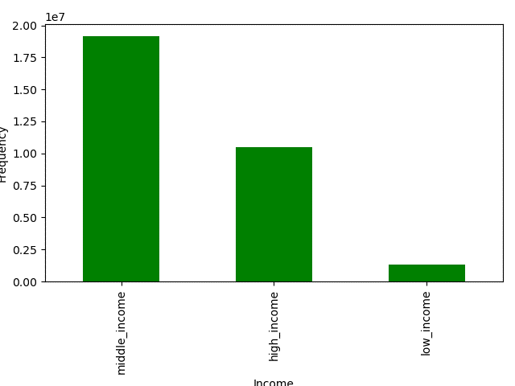
Visualisations

1. The sales team needs to know what the busiest days of the week and hours of the day are
(i.e., the days and times with the most orders) in order to schedule ads at times when there are fewer orders.


Orders Placed by Days of Week

Orders by Hour of day

Days of Week
Legend
0 - Saturday
1 - Sunday
2 - Monday
3 - Tuesday
4 - Wednesday
5 - Thursday
6 - Friday

Summary
Saturday and Sunday are the busiest time of the week while Tuesdays and Wednesdays are the quietest.
Most orders are placed between 9 am and 5pm. After 5pm, the number of orders decreases.

Recommendations
* Run ads on Tuesday and Wednesdays, when orders are at the lowest.
* Run ads between 5pm - 10pm, when most people will be at home. After 5pm, the number of orders decreases.
* Target high range items during this period, to encourage buying high value and premium items.

2. Are there particular times of the day when people spend the most money? This might inform the type of products they advertise at these times.

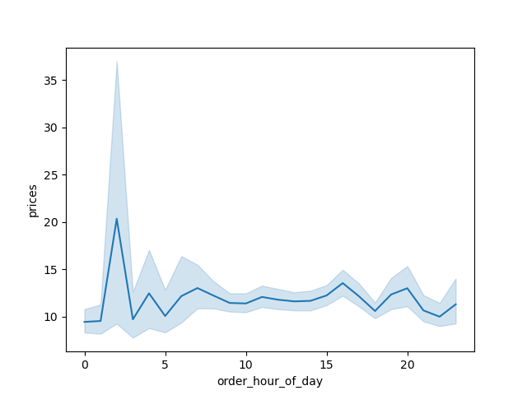
Prices/Orders Placed by Hour of Day
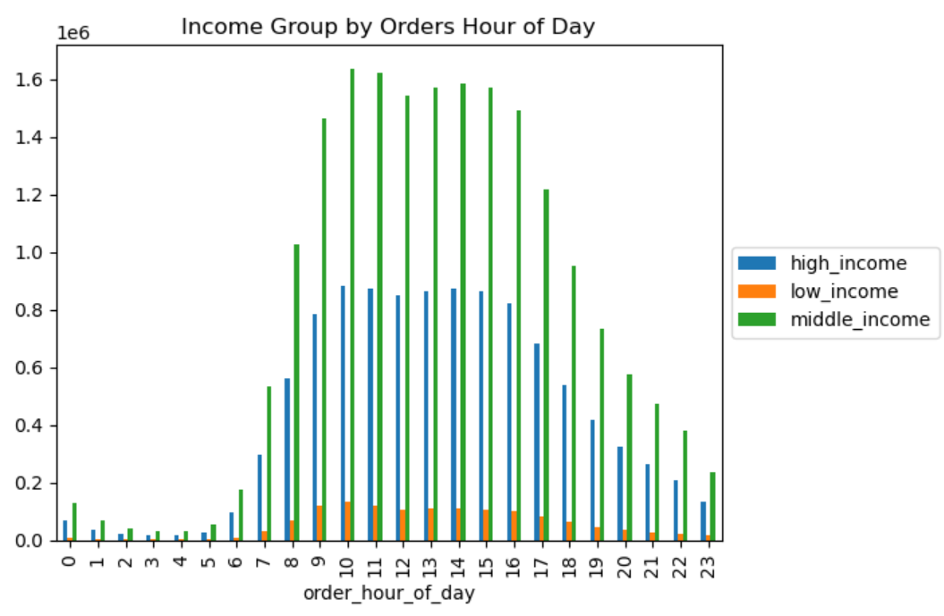

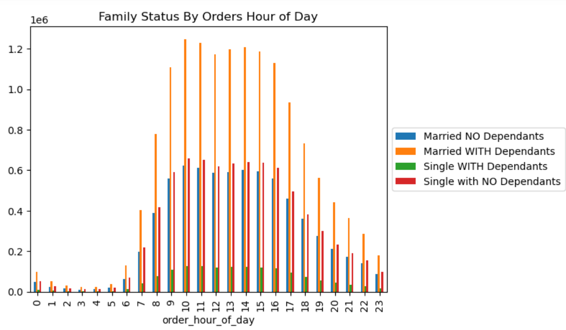
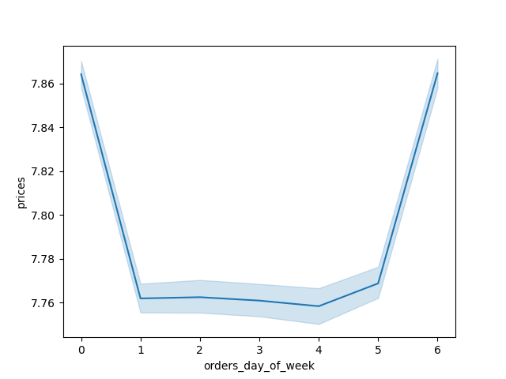
Prices/ Orders Placed by Day of the Week

Summary
The time of day where the amount spent is highest is between 1am and 3 am. After this time, expenditure drops and remain relatively stable for the rest of the day.
Middle income group make up our income group with majority of orders. This corresponds to our earlier analysis that most of orders between 9am and 5pm.
For our family status group, married with dependents order more during our peak hours.
Saturday remains the most lucrative day both in terms of order count and revenue generated, when considering the value of orders placed. Friday emerges as the second most profitable day. Sales from Sunday to Thursday show consistent revenue across these days

Recommendations
* Target ads for high value items, after 10pm to encourage the night time buyers to consider these items.
* Position these items are affordable, premium and luxury goods to encourage more orders.
* As 9am - 5pm are high oppotunity times for making more orders, i would recommend running targetted ads for family_status and income groups.
* This could be targetted for specific needs within the family status group, by highlighting products that are suitable for their needs (such as baby and children products).
* Promote discounts and flash sales during the evening hours to attract more customers after 5 PM.

3. Instacart has a lot of products with different price tags. Marketing and sales want to use simpler price range groupings to help direct their efforts.

Product Price Frequency
Frequency of Product Range
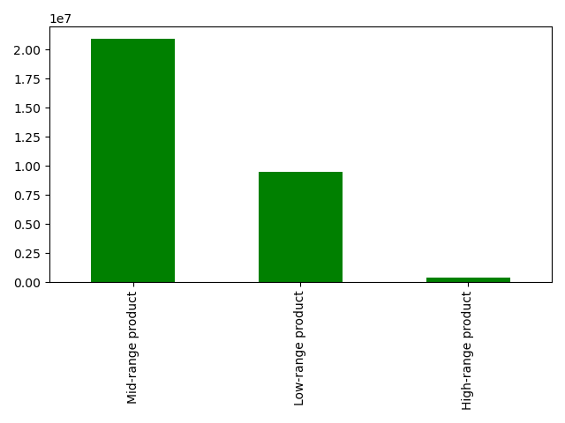

Summary
Mid-range price products are the most sold products followed by low-range products, then high range products.
High-range products are purchased less frequently. Product price frequency is relatively stable until the $15 mark where there is a massive drop off. This means high range products priced above $15 are hardly purchased.

Recommendations
* Run ads for high value items, position products as excluisve and premium products.
* Promote discounts or exclusive deals on low-range products to encourage customers to explore and engage with items within this category.
* Consider increasing stock level of $15 and above products. Research into the groupings and what might interest these groups, would be needed to ensure that products can be sold.

4. Are there certain types of products that are more popular than others? The marketing and sales teams want to know which departments have the highest frequency of product orders.

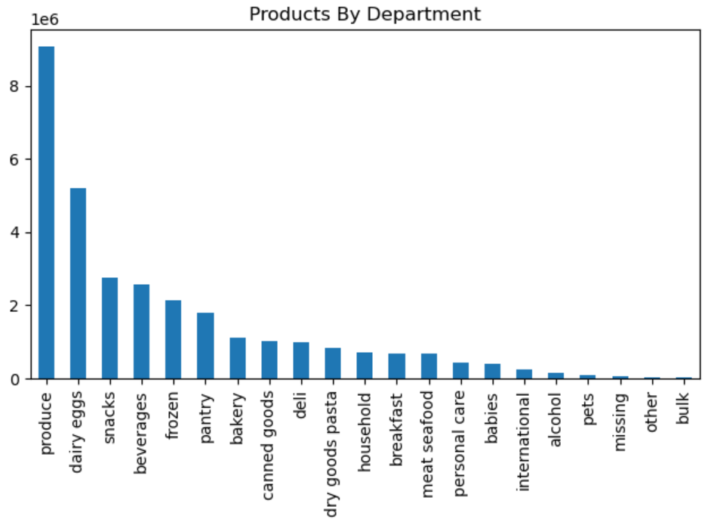
 |  |  | Department | Number of orders | % of Percentage
 |  |  | produce | 9,079,276 | 29%
 |  |  | dairy eggs | 5,191,828 | 17%
 |  |  | snacks | 2,766,406 | 9%
 |  |  | beverages | 2,571,934 | 8%
 |  |  | frozen | 2,123,342 | 7%
 |  |  | pantry | 1,782,903 | 6%
 |  |  | bakery | 1,125,026 | 4%
 |  |  | canned goods | 1,012,074 | 3%
 |  |  | deli | 1,003,834 | 3%
 |  |  | dry goods pasta | 822,136 | 3%
 |  |  | household | 699,858 | 2%
 |  |  | breakfast | 678,095 | 2%
 |  |  | meat seafood | 674,785 | 2%
 |  |  | personal care | 424,415 | 1%
 |  |  | babies | 410,392 | 1%
 |  |  | international | 255,991 | 1%
 |  |  | alcohol | 144,674 | 0%
 |  |  | pets | 93,065 | 0%
 |  |  | missing | 64,768 | 0%
 |  |  | other | 34,411 | 0%
 |  |  | bulk | 33,451 | 0%

Summary
Produce is the best seller amongst all other products. This is followed by diary eggs and snacks which togther make up about 50% of all orders.
Bulk, other, pets and missing are less frequently purchased by customers.

Recommendations
* Continue to promote ads on produce section which is our best selling department. Ads should showcase produce as fresh and high quality.
* Additionally, provide opportunities for customers to engage with products through meal plans, weekly recipe plans, and bundling products to offer affordability.
* Target the less popular departments such promoting this as add on's and offering deals and promotions to increase their exposure.

5. What’s the distribution among users in regards to their brand loyalty (i.e., how often do they return to Instacart)?

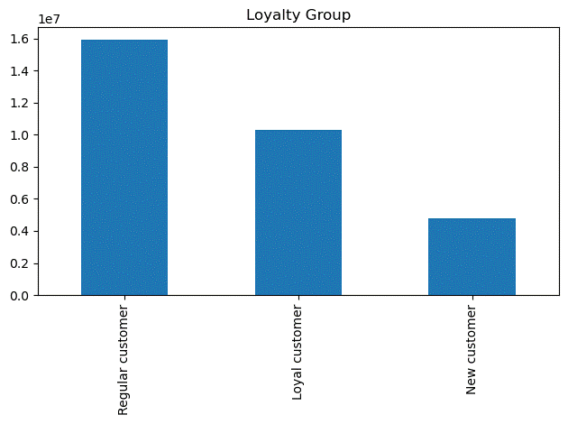
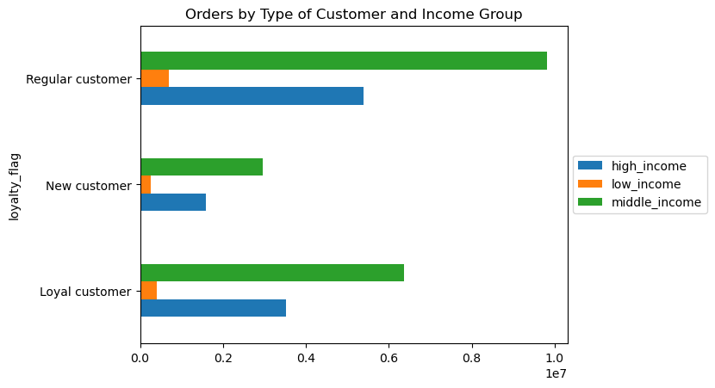

 | Loyalty Group | Total Orders | % Total Orders
 | Regular customer | 15,891,077 | 51%
 | Loyal customer | 10,293,737 | 33%
 | New customer | 4,807,850 | 16%

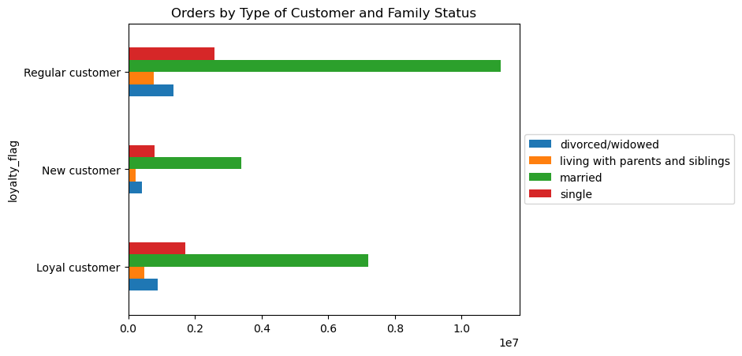
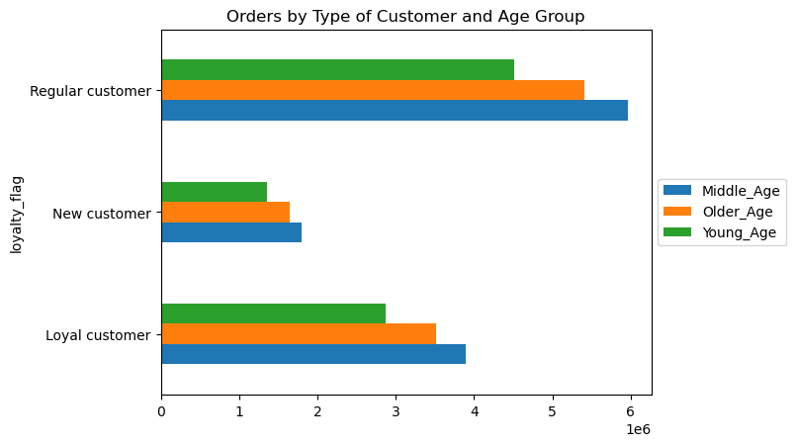

Summary
* Regular customers (those purchasing between 10 and 40 orders) make up the majority share of customer base. New customer make up the least share of customer base with less than 10 orders, whiles Loyal customers have purchased over 40 orders.
* Regular customer base is made up of a higher share of mainly high income group, middle aged and married.

Recommendations
* Offer loyalty programs for all customer groups - For regular customers, offer prizes, draws, tickets for more purchases on high prized products.
* For New customers, offer loyalty programs with point systems for each purchase, the higher the value, the more opportunities to win prizes, discounts and freebies. This is also a way to convert them to loyal customers, which allows for more access to other rewards.
*Offer shopping bonus card for recommending and bring in new customers

6. Are there differences in ordering habits based on a customer’s loyalty status?

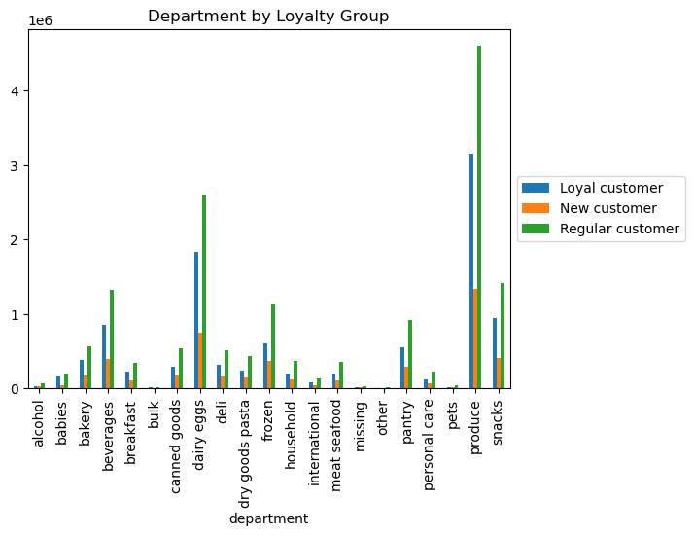

Summary
* Regular customers have a higher share of orders from each product category, followed by Loyal customers, then New customers.

Recommendations
* Promote offers and discounts for low value items for all group, offer prize savings for high value items.
* Create exposure of products to new customer base through free samples, promoting social media interactions with this group.

7. Are there differences in ordering habits based on a customer’s region?

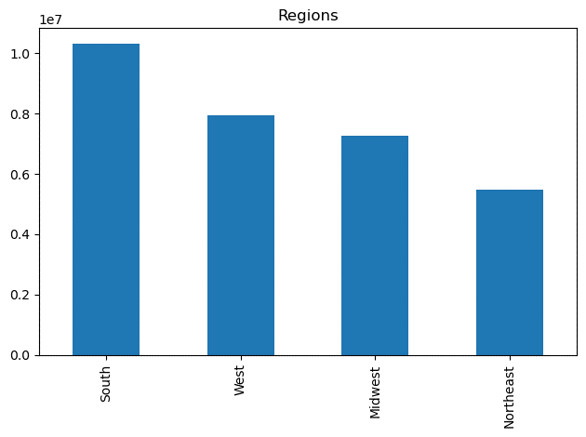
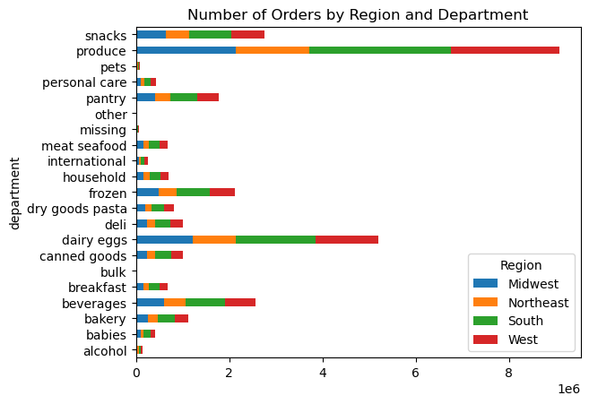
 | Regions | count | % total count
 | South | 10,320,462 | 33%
 | West | 7,934,427 | 26%
 | Midwest | 7,267,707 | 23%
 | Northeast | 5,470,068 | 18%

Summary
* The South has the highest amount of orders, compared to all regions. The Norteast has the lowest. This corresponds with the number of customers in these regions, with the South having the most share of customers compared with the Northeast with the lowest share of customer base.
* Produce remains the top product across all regions.

Recommendations
* Run ads in the Regions with the lowest margins.
*Consider regional preferences for products and promote products based on customer segmentations

8. Is there a connection between age and family status in terms of ordering habits?
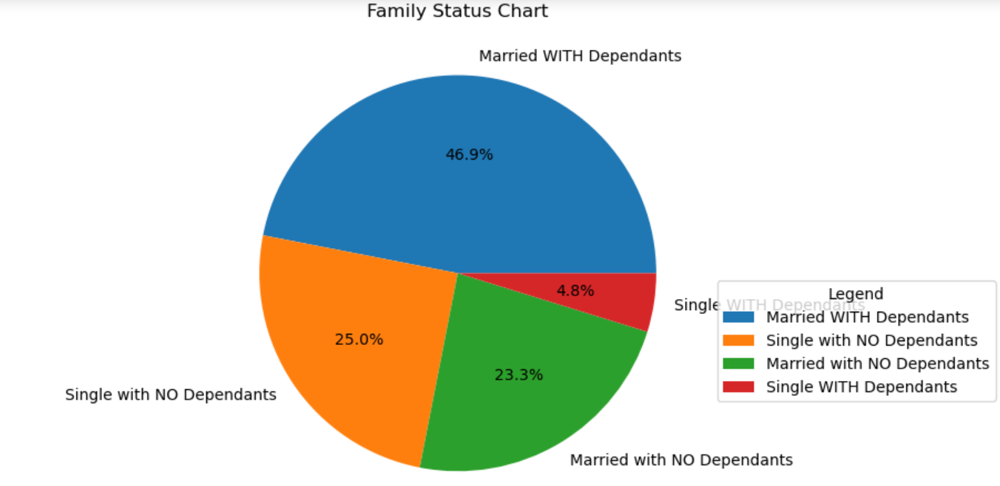
Product Price by Family Status

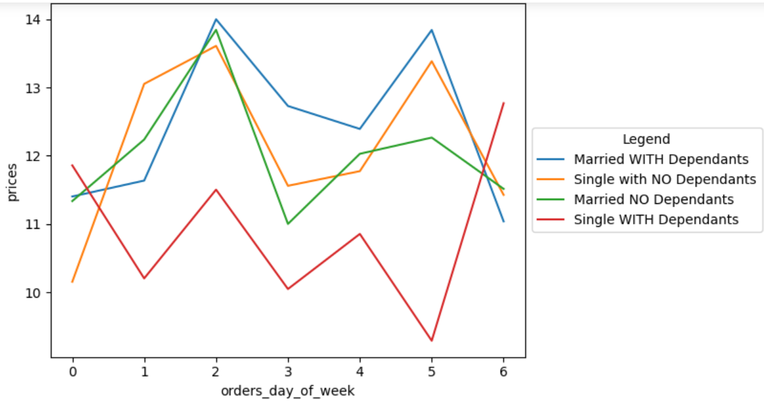

Product by Age Group

Product by Family Status
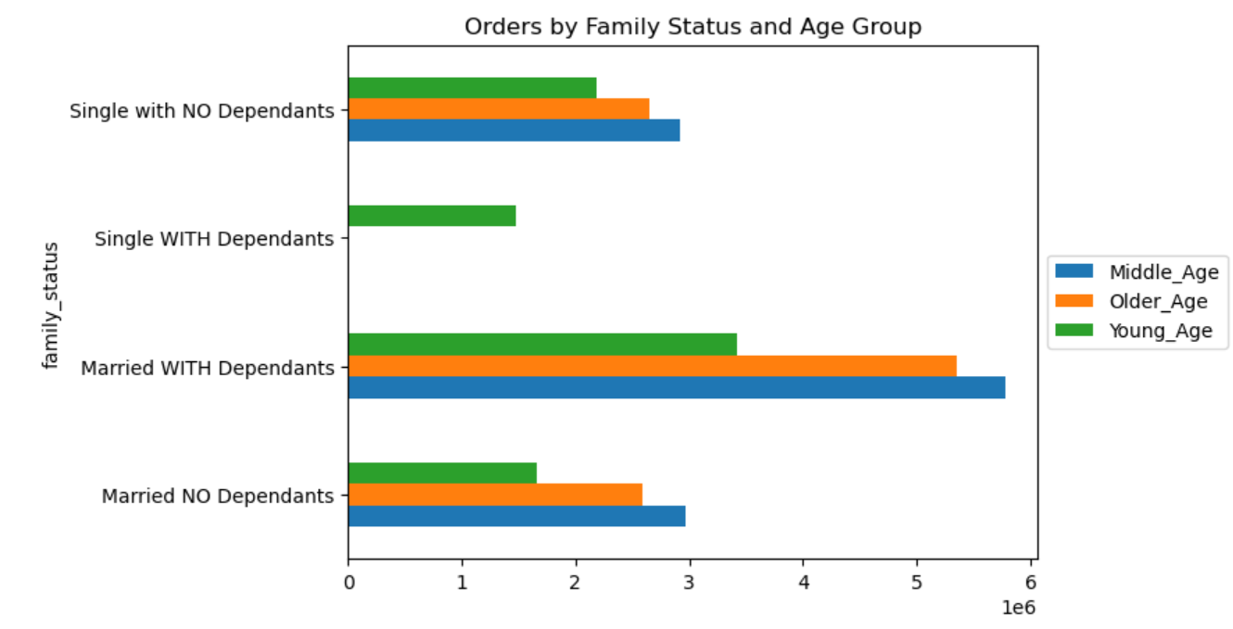
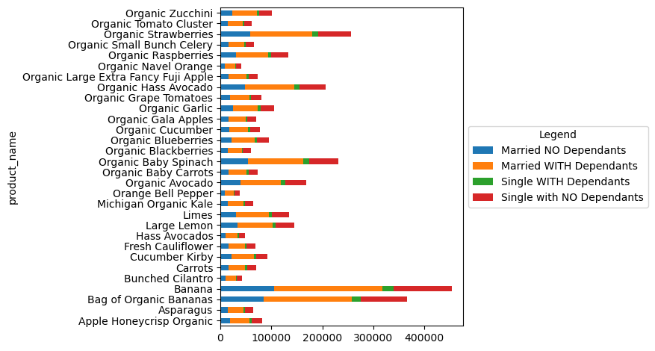
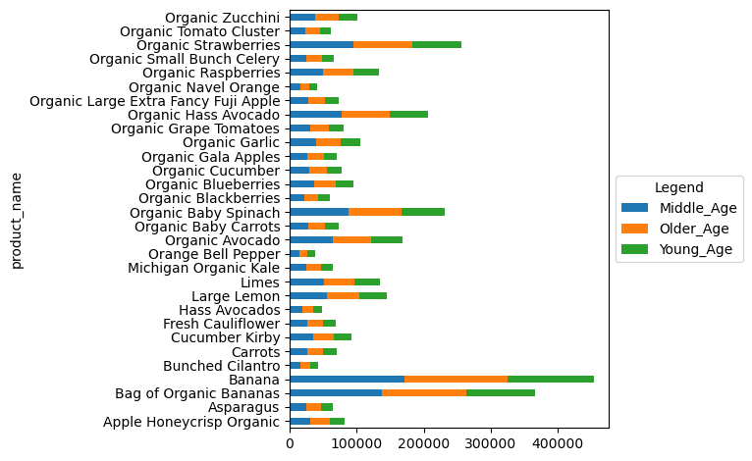

Summary
* Married customers with children make up majority of customer base, with a miniscule figure for single parents with dependents. This group typically pay the highest prices for products
* On the other hand, singles with dependents are more likely to pay low prices for products.
* Married with children have majority middle aged people, followed by older aged and young age.
* There is no difference in product preference for family status group and age group.

Recommendations
* Target ads focussed on single with dependents. These are the groups that make low value purchases and are typically made up of young people. This groups presumably will be swayed by sales, prices drops, offers and discounts
* Ads should be relevant to our top and low family status group, with a commonality of children and and parenting.
* Focussing on products that offer convenience, ease and simplicity may appeal to this group due to their busy lifestyles.

9. Is there a connection between income status and age in terms of ordering habits?

Income by Age

Summary
* People over the age of 40 have an income level of over 400 000, whiles those below the age of 40 have an income level of mainly 200 000, with a few over 200 000 - 400 000 range.
* As identified previously, middle income group are the ones making the most orders, followed by high income and low income group respectively.

Recommendations
* Mid-range products are the most preferred product category, this is where our focus should remian. This is already a category that brings in the most sales and to futher drive this, more promotion is needed together with other incentives and price saving opportunities.
* High range products should be heavily promoted with high income and middle income group. This could potentially bring in more money quickly if, customers can e persuaded to order these items.

Income Group Frequency

